Script
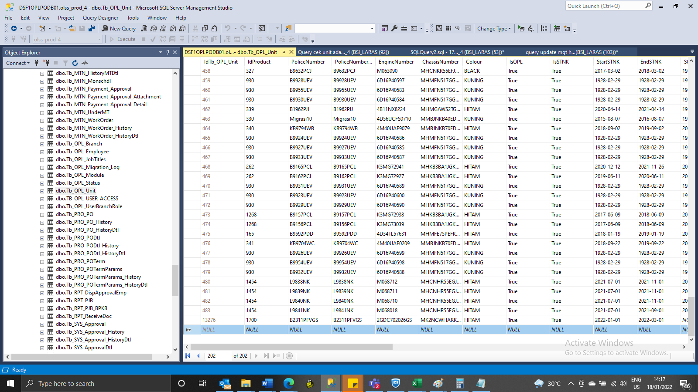
INSERT Tb_OPL_Unit

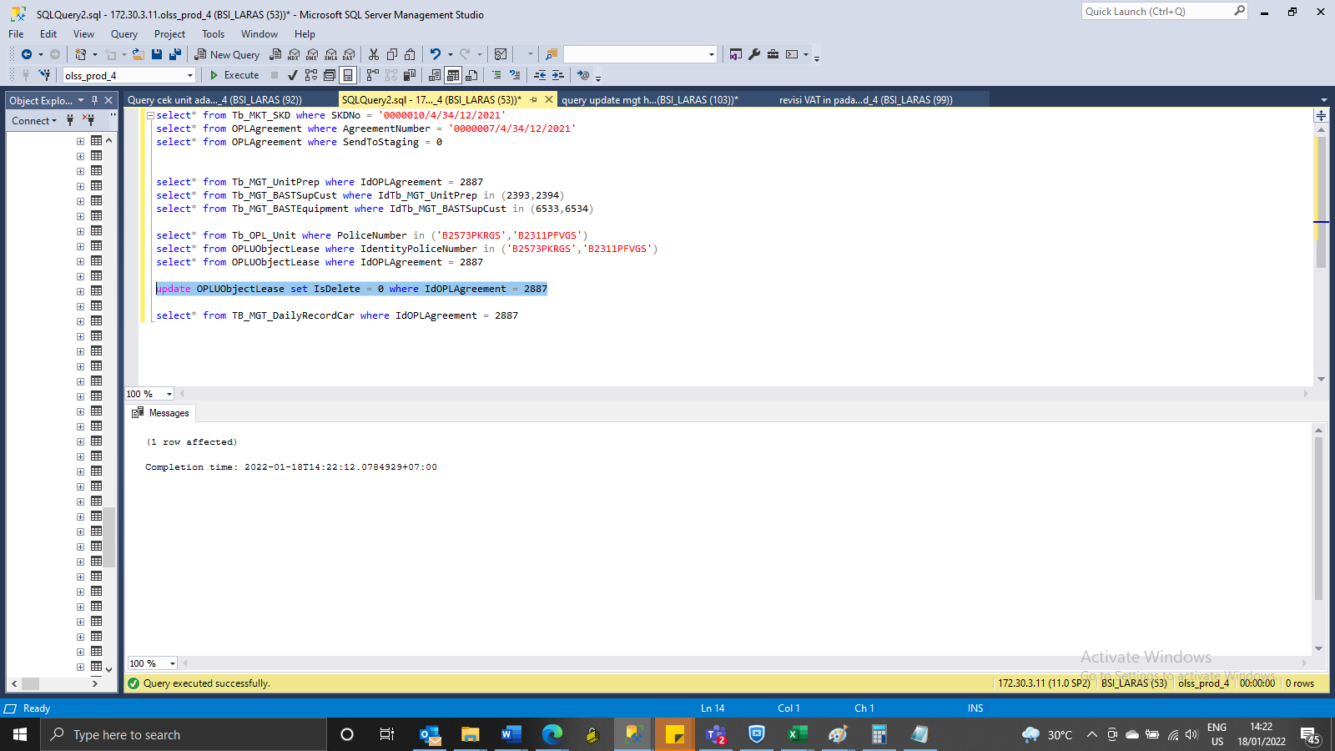
update OPLUObjectLease set IsDelete = 0 where IdOPLAgreement = 2887

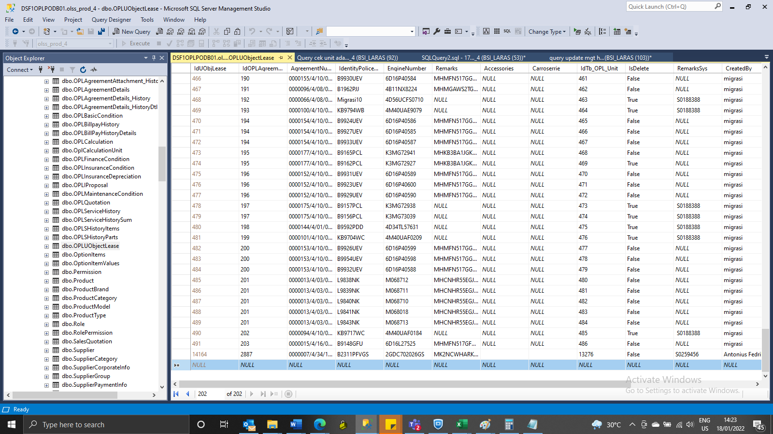
INSERT OPLUObjectLease

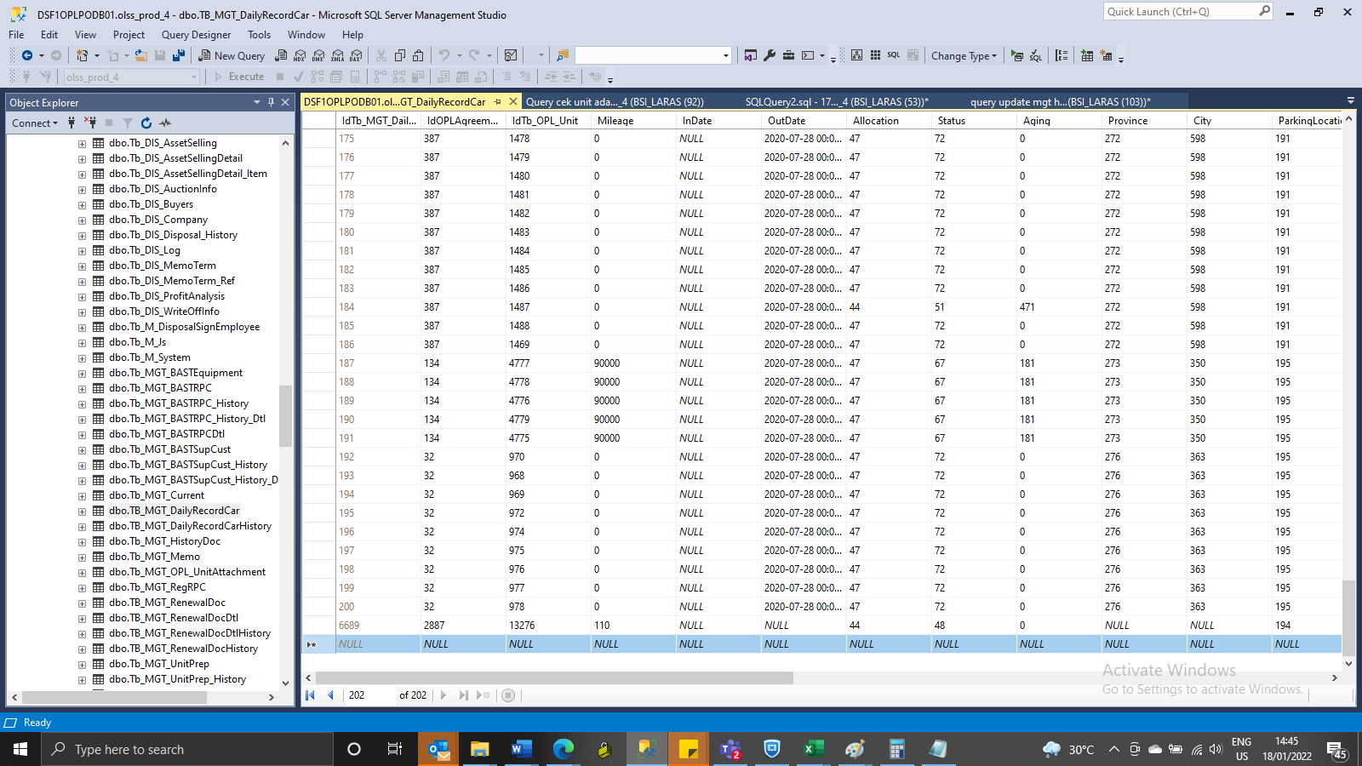
INSERT TB_MGT_DailyRecordCar

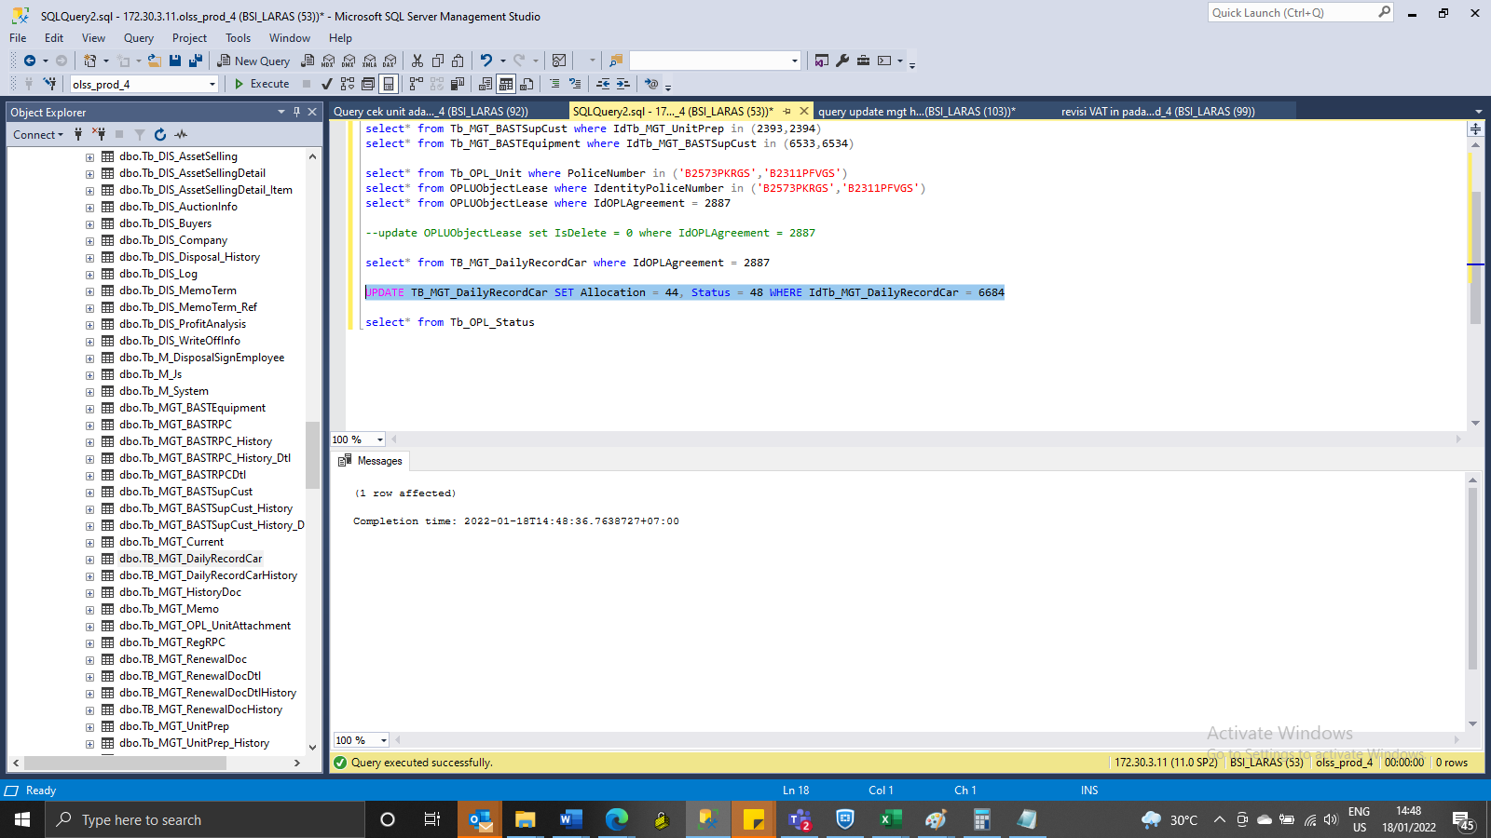
UPDATE TB_MGT_DailyRecordCar SET Allocation = 44, Status = 48 WHERE IdTb_MGT_DailyRecordCar = 6684

SS
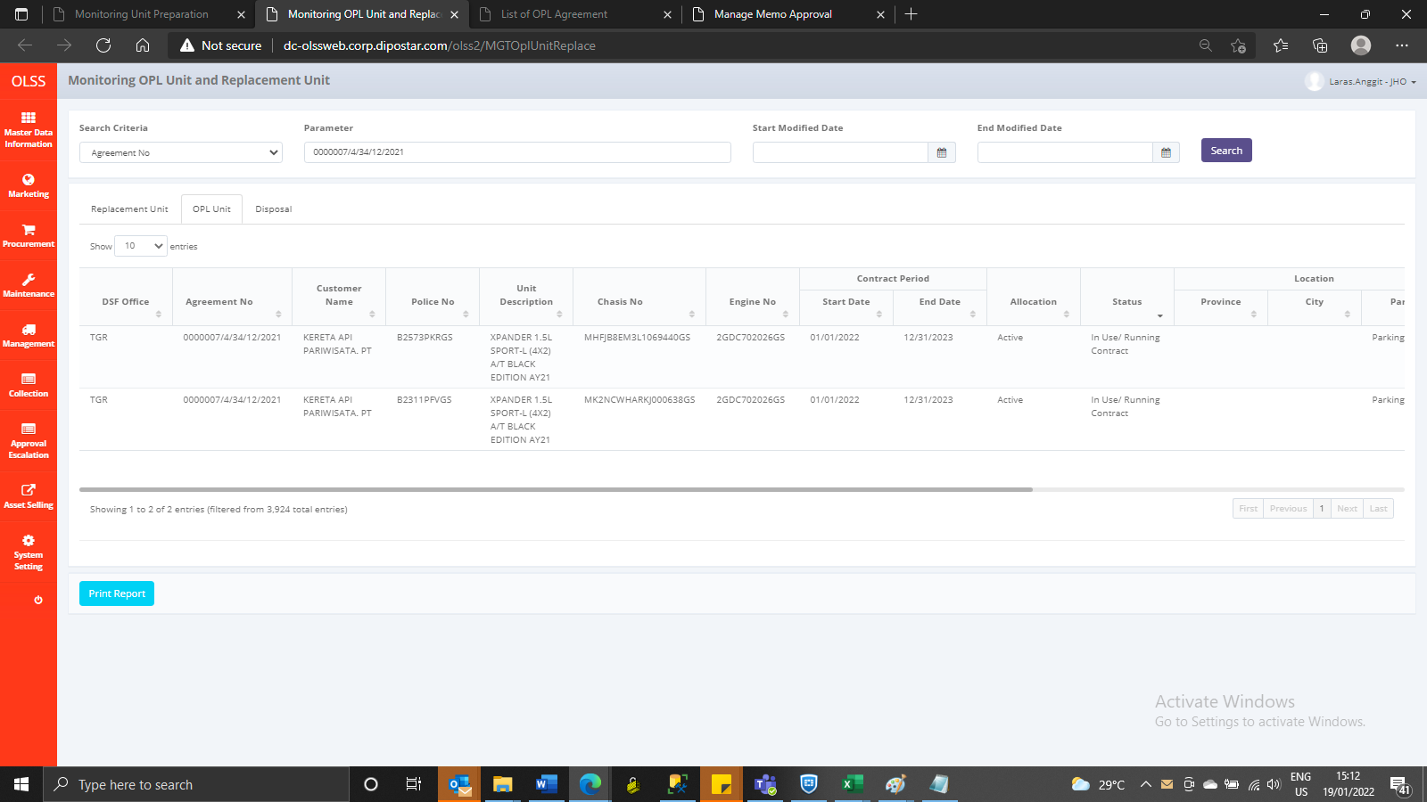
BEFORE

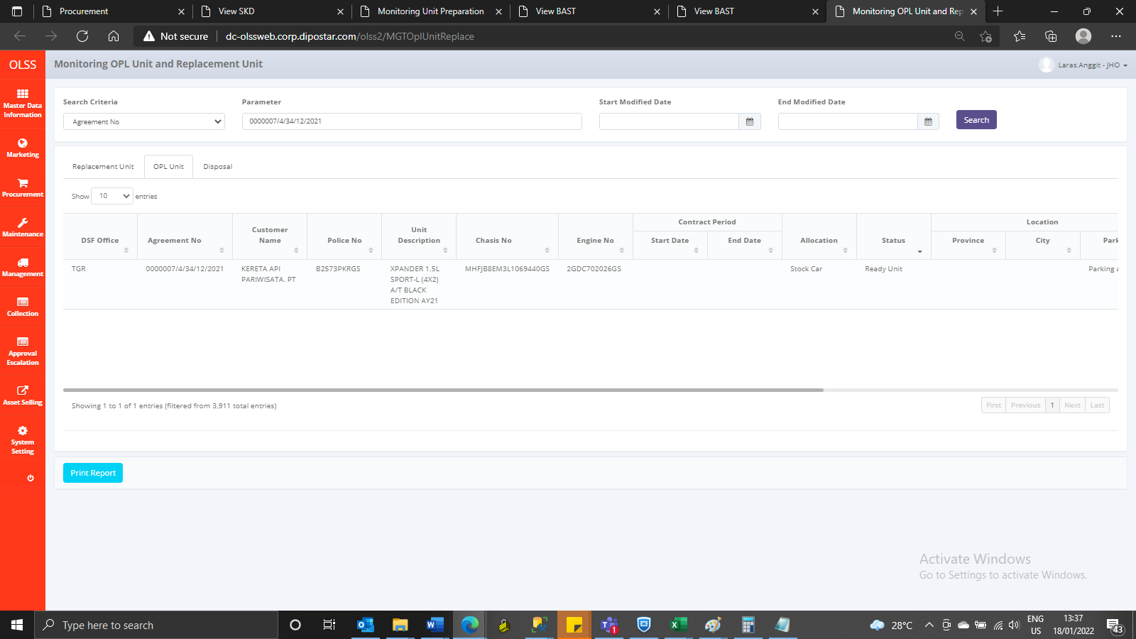

AFTER

